Compare Annual Visitation
Compare Annual Visitation: 1980 to 2023

This report will not correctly export to CSV. Please export to Excel, Word, or PDF if you wish to save this report.

 | 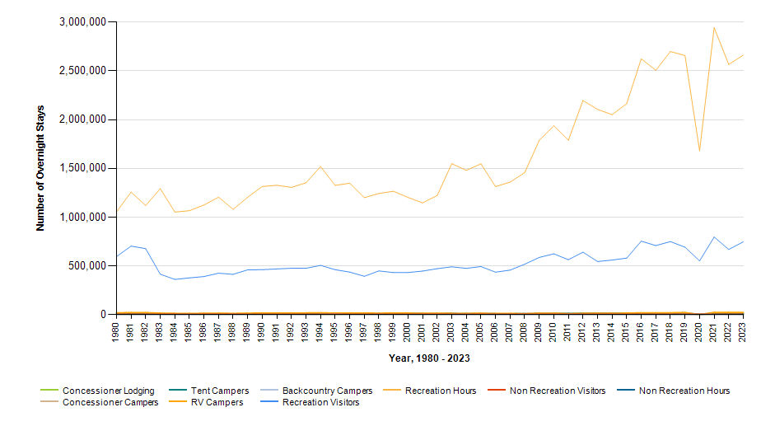

 |  | Year | Concessioner Lodging | Concessioner Campers | Tent Campers | RV Campers | Backcountry Campers | Recreation Visitors | Recreation Visitor Hours | Non Recreation Visitors | Non Recreation Visitor Hours
 |  | 2023 | 0 | 0 | 11,703 | 21,459 | 718 | 746,862 | 2,662,270 | 6,578 | 2,172
 |  | 2022 | 0 | 0 | 13,441 | 22,321 | 658 | 668,679 | 2,566,720 | 6,578 | 2,172
 |  | 2021 | 0 | 0 | 15,742 | 22,096 | 1,054 | 796,085 | 2,944,360 | 6,578 | 2,172
 |  | 2020 | 0 | 0 | 227 | 505 | 2,591 | 551,303 | 1,680,978 | 6,578 | 2,172
 |  | 2019 | 0 | 0 | 16,862 | 20,524 | 735 | 691,658 | 2,657,924 | 6,578 | 2,172
 |  | 2018 | 0 | 0 | 14,707 | 18,235 | 614 | 749,389 | 2,699,165 | 6,578 | 2,172
 |  | 2017 | 0 | 0 | 14,723 | 17,750 | 587 | 708,003 | 2,506,618 | 6,578 | 2,172
 |  | 2016 | 0 | 0 | 14,835 | 17,730 | 232 | 753,880 | 2,623,905 | 6,578 | 2,172
 |  | 2015 | 0 | 0 | 13,967 | 15,011 | 529 | 580,033 | 2,165,040 | 6,578 | 2,172
 |  | 2014 | 0 | 0 | 13,804 | 12,973 | 849 | 559,580 | 2,051,446 | 6,578 | 2,172
 |  | 2013 | 0 | 0 | 13,733 | 13,503 | 841 | 545,090 | 2,105,675 | 6,578 | 2,172
 |  | 2012 | 0 | 0 | 12,663 | 12,569 | 891 | 640,555 | 2,196,828 | 6,578 | 2,172
 |  | 2011 | 0 | 0 | 10,989 | 9,182 | 768 | 563,407 | 1,789,230 | 6,578 | 2,172
 |  | 2010 | 0 | 0 | 11,709 | 14,425 | 732 | 623,748 | 1,937,130 | 6,578 | 2,172
 |  | 2009 | 0 | 0 | 10,687 | 14,174 | 798 | 586,928 | 1,787,581 | 6,578 | 2,172
 |  | 2008 | 0 | 0 | 9,000 | 9,358 | 593 | 516,804 | 1,456,334 | 6,578 | 2,172
 |  | 2007 | 0 | 0 | 7,668 | 11,331 | 480 | 456,588 | 1,359,757 | 6,578 | 2,172
 |  | 2006 | 0 | 0 | 7,879 | 10,575 | 1,110 | 435,359 | 1,313,770 | 6,578 | 2,172
 |  | 2005 | 0 | 0 | 8,383 | 13,557 | 634 | 493,198 | 1,547,162 | 6,578 | 2,172
 |  | 2004 | 0 | 0 | 9,310 | 11,982 | 750 | 474,589 | 1,479,383 | 6,578 | 2,172
 |  | 2003 | 0 | 0 | 10,534 | 12,555 | 1,185 | 490,295 | 1,548,689 | 6,578 | 2,172
 |  | 2002 | 0 | 0 | 9,527 | 13,427 | 1,072 | 471,551 | 1,222,857 | 6,578 | 2,172
 |  | 2001 | 0 | 0 | 9,997 | 12,320 | 771 | 446,609 | 1,146,107 | 6,578 | 2,172
 |  | 2000 | 0 | 0 | 10,176 | 14,989 | 971 | 431,813 | 1,202,166 | 6,578 | 2,172
 |  | 1999 | 0 | 0 | 9,894 | 15,681 | 1,465 | 431,311 | 1,265,600 | 6,578 | 2,172
 |  | 1998 | 0 | 0 | 9,779 | 14,111 | 1,482 | 448,286 | 1,242,847 | 6,412 | 2,118
 |  | 1997 | 0 | 0 | 10,363 | 15,631 | 1,115 | 393,265 | 1,200,136 | 6,412 | 2,118
 |  | 1996 | 0 | 0 | 12,232 | 16,338 | 1,155 | 436,081 | 1,348,109 | 6,412 | 2,118
 |  | 1995 | 0 | 0 | 10,154 | 15,582 | 2,088 | 460,699 | 1,325,783 | 6,412 | 2,118
 |  | 1994 | 0 | 0 | 12,195 | 17,798 | 1,598 | 505,349 | 1,518,553 | 6,412 | 2,118
 |  | 1993 | 0 | 0 | 10,575 | 16,800 | 914 | 475,160 | 1,352,799 | 6,412 | 2,118
 |  | 1992 | 0 | 0 | 9,733 | 15,782 | 996 | 475,937 | 1,305,376 | 6,412 | 2,118
 |  | 1991 | 0 | 0 | 9,268 | 15,506 | 682 | 468,926 | 1,326,745 | 6,531 | 2,181
 |  | 1990 | 0 | 0 | 7,820 | 15,668 | 644 | 460,718 | 1,314,689 | 6,531 | 2,181
 |  | 1989 | 0 | 0 | 7,062 | 13,937 | 526 | 459,171 | 1,204,338 | 6,531 | 2,181
 |  | 1988 | 0 | 0 | 6,808 | 11,626 | 426 | 413,527 | 1,080,022 | 6,531 | 2,181
 |  | 1987 | 0 | 0 | 7,878 | 14,053 | 880 | 424,846 | 1,204,854 | 6,531 | 2,181
 |  | 1986 | 0 | 0 | 6,924 | 12,772 | 782 | 390,553 | 1,124,812 | 6,531 | 2,181
 |  | 1985 | 0 | 0 | 7,104 | 11,415 | 697 | 377,152 | 1,066,369 | 6,531 | 2,181
 |  | 1984 | 0 | 0 | 7,041 | 12,075 | 732 | 361,139 | 1,052,287 | 7,476 | 2,496
 |  | 1983 | 0 | 0 | 8,734 | 14,614 | 852 | 415,118 | 1,292,577 | 7,476 | 2,496
 |  | 1982 | 0 | 0 | 14,979 | 19,600 | 873 | 677,014 | 1,119,459 | 7,476 | 2,496
 |  | 1981 | 0 | 0 | 16,157 | 20,810 | 747 | 702,873 | 1,257,146 | 7,476 | 2,496
 |  | 1980 | 0 | 0 | 14,558 | 16,407 | 681 | 595,734 | 1,054,473 | 7,476 | 2,496

